Dala Sales & Deliveries
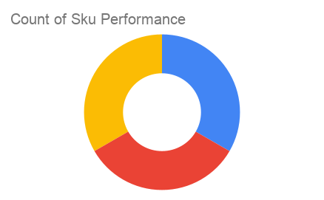
 |  |  |  |  |  | Total Invoices Delivered | 1.00 | Sku Performance | Units | Value
 |  |  |  |  |  | Unique Locations Supplied | 1.00 | 20cl Niftaban Ope Natural Honey (6x) | 0.00 | 0.00
 |  |  |  |  |  | Total Value of orders | 35,400.00 | 75cl Niftaban Ope Natural Honey (6x) | 1.00 | 23,400.00
 |  |  |  |  |  |  |  | 35cl Niftaban Ope Natural Honey (6x) | 1.00 | 12,000.00
 |  |  |  |  |  |  |  |  | 0.00 | 0.00
 |  |  |  |  |  |  |  |  | 0.00 | 0.00
 |  |  |  |  |  |  |  |  | 0.00 | 0.00
 |  |  |  |  |  |  |  |  | 0.00 | 0.00
 |  |  |  |  |  |  |  |  | 0.00 | 0.00
 |  |  |  |  |  |  |  |  | 0.00 | 0.00
 |  |  |  |  |  |  |  |  | 0.00 | 0.00
2025-04-11 |  |  |  |  |  |  |  |  | 0.00 | 0.00
 |  |  |  |  |  |  |  |  | 0.00 | 0.00
Date | Vch No. | Particulars | item name | Quantity | Value

2025-03-10 | DT:002777 | Shop 'N' Save Supermarket | 35cl Niftaban Ope Natural Honey (6x) | 1.00 | 12,000.00
 |  |  | 75cl Niftaban Ope Natural Honey (6x) | 1.00 | 23,400.00

